SNOMED vitrectomy
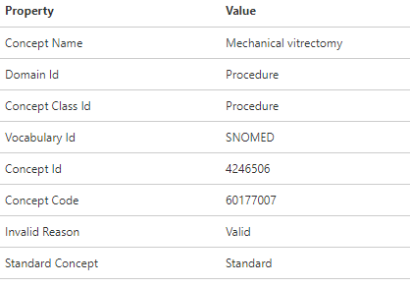
ID | code | name | class | RC | DRC | domain | Voca
4246506 | 60177007 | Mechanical vitrectomy | Procedure | 0 | 8,947 | Procedure | SNOMED
4314406 | 87021001 | Mechanical vitrectomy by pars plana approach | Procedure | 8,947 | 8,947 | Procedure | SNOMED
4294683 | 75732000 | Vitrectomy | Procedure | 0 | 8,947 | Procedure | SNOMED
4268915 | 62493001 | Anesthesia for vitrectomy | Procedure | 0 | 0 | Procedure | SNOMED
40311947 | 148899008 | Anterior vitrectomy | Procedure | 0 | 0 | Procedure | SNOMED
4068570 | 172555009 | Anterior vitrectomy | Procedure | 0 | 0 | Procedure | SNOMED
36676445 | 773335005 | Epiretinal brachytherapy with vitrectomy | Procedure | 0 | 0 | Procedure | SNOMED
4231640 | 439490005 | Insertion of subconjunctival retinal prosthesis receiver and pulse generator with vitrectomy | Procedure | 0 | 0 | Procedure | SNOMED
4185103 | 43582002 | Mechanical vitrectomy by anterior approach | Procedure | 0 | 0 | Procedure | SNOMED
4216229 | 72019009 | Mechanical vitrectomy by posterior approach | Procedure | 0 | 0 | Procedure | SNOMED
40483095 | 442337006 | Monitoring of intraocular pressure during vitrectomy | Procedure | 0 | 0 | Procedure | SNOMED
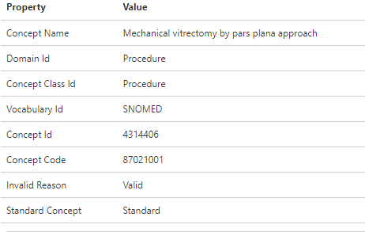
40311948 | 148900003 | Pars plana vitrectomy | Procedure | 0 | 0 | Procedure | SNOMED
4004064 | 12113005 | Scleral buckling with vitrectomy | Procedure | 0 | 0 | Procedure | SNOMED
4220226 | 82382005 | Subtotal removal of vitreous by anterior approach with mechanical vitrectomy | Procedure | 0 | 0 | Procedure | SNOMED
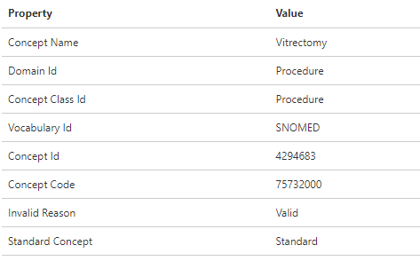
761073 | 1.4190001E+16 | Vitrectomy using endolaser | Procedure | 0 | 0 | Procedure | SNOMED
4251044 | 74220006 | Vitrectomy, complex | Procedure | 0 | 0 | Procedure | SNOMED
4216207 | 80632003 | Vitrectomy, complex, multiple procedures | Procedure | 0 | 0 | Procedure | SNOMED
4333165 | 231756000 | Vitreous base vitrectomy | Procedure | 0 | 0 | Procedure | SNOMED
4012339 | 112966006 | Operation on vitreous | Procedure | 165 | 9,545 | Procedure | SNOMED

SNOMED gas injection
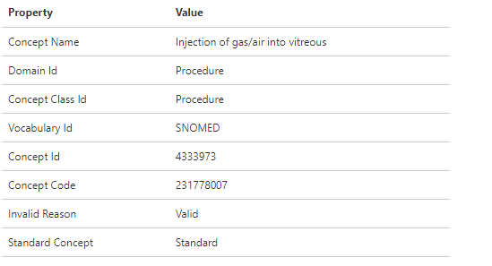
ID | code | name | class | RC | DRC | domain | Voca
4333973 | 231778007 | Injection of gas/air into vitreous | Procedure | 10 | 10 | Procedure | SNOMED

SNOMED endolaser
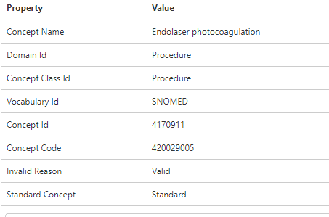
ID | code | name | class | RC | DRC | domain | Voca
4170911 | 420029005 | Endolaser photocoagulation | Procedure | 0 | 0 | Procedure | SNOMED

ahmed valve
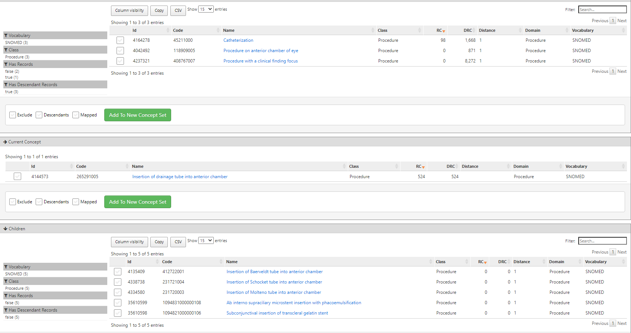
ID | code | name | class | RC | DRC | domain | Voca
 |  |  |  |  |  |  |  | Insertion of drainage tube into anterior chamber에 대한 hierarchy
3178104 | 1.0760001E+16 | Ahmed valve implantation | Procedure | 0 | 0 | Procedure | Nebraska Lexicon
4144573 | 265291005 | Insertion of drainage tube into anterior chamber | Procedure | 524 | 524 | Procedure | SNOMED
4334580 | 231720003 | Insertion of Molteno tube into anterior chamber | Procedure | 0 | 0 | Procedure | SNOMED
4135409 | 412722001 | Insertion of Baerveldt tube into anterior chamber | Procedure | 0 | 0 | Procedure | SNOMED
4338738 | 231721004 | Insertion of Schocket tube into anterior chamber | Procedure | 0 | 0 | Procedure | SNOMED

4131237 | 410446002 | Ahmed tube shunt | Physical Object | 0 | 0 | Device | SNOMED
4123454 | 303276004 | Anterior chamber drainage tube | Physical Object | 0 | 0 | Device | SNOMED
4158970 | 370943001 | Glaucoma drainage device | Physical Object | 0 | 0 | Device | SNOMED

